Triumph
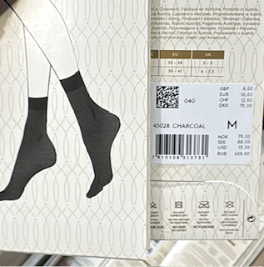
Triumph | size | quantity |  | RRP | Total RRP
 | XS
 | S | 453
 | M | 133
 | L
 | XL
 |  | 586 | 586 | 10.00 € | 5,860.00 €

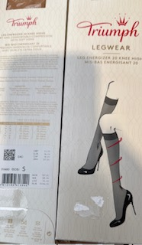
 | XS
 | S | 488
 | M | 100
 | L | 44
 | XL
 | XXL
 |  | 632 | 632 | 16.00 € | 10,112.00 €

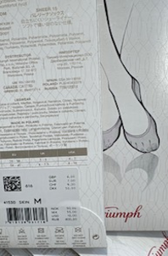
 | XS
 | S | 247
 | M | 122
 | L
 | XL
 | XXL
 |  | 369 | 369 | 7.00 € | 2,583.00 €

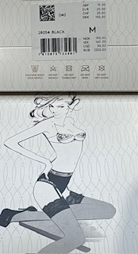
 | XS
 | S | 463
 | M | 424
 | L | 251
 | XL
 |  | 1138 | 1138 | 20.00 € | 22,760.00 €

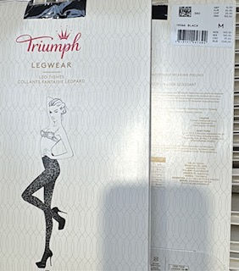
 | XS | 738
 | S | 112
 | M | 107
 | L | 39
 | XL | 16
 |  | 1012 | 1012 | 20.00 € | 20,240.00 €

 |  | Total | 3737 |  | €61,555.00

